Indices

 | Iraq Stock Exchange
 | Bulletin No (168)

 | ISX Trading Indices of Tuesday 23/9/2025

 | Traded Volume and OTC |  | 1,567,790,751 |  | Traded Value and OTC |  | 2,184,797,600 |  | Traders | 1196

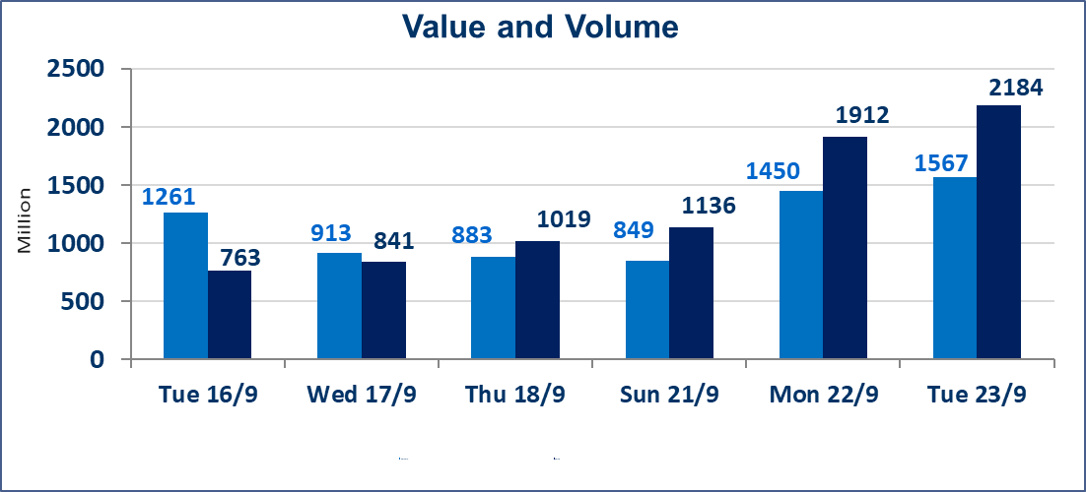
 | ISX Index 60 |  |  | 968.66 | ISX Index 15 |  |  | 1136.86
 | Previous ISX Index60 |  |  | 972.31 | Previous ISX Index15 |  |  | 1141.10
 | Change % |  |  | -0.38 | Change % |  |  | -0.37
 | Change |  |  | -3.65 | Change |  |  | -4.24

 | Listed Companies | 104 | OTC | 11 | Non Traded listed | 43 | OTC | 9
 | Traded Listed Companies | 42 | OTC | 1 | Higher Companies |  |  | 9
 | GAM Companies |  |  | 8 | Lower Companies |  |  | 12
 | Suspended Companies |  |  | 11
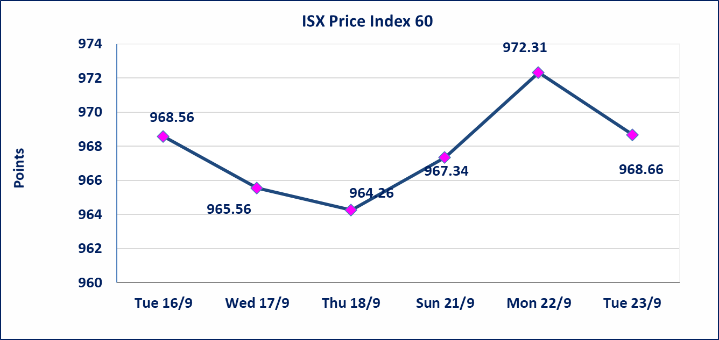
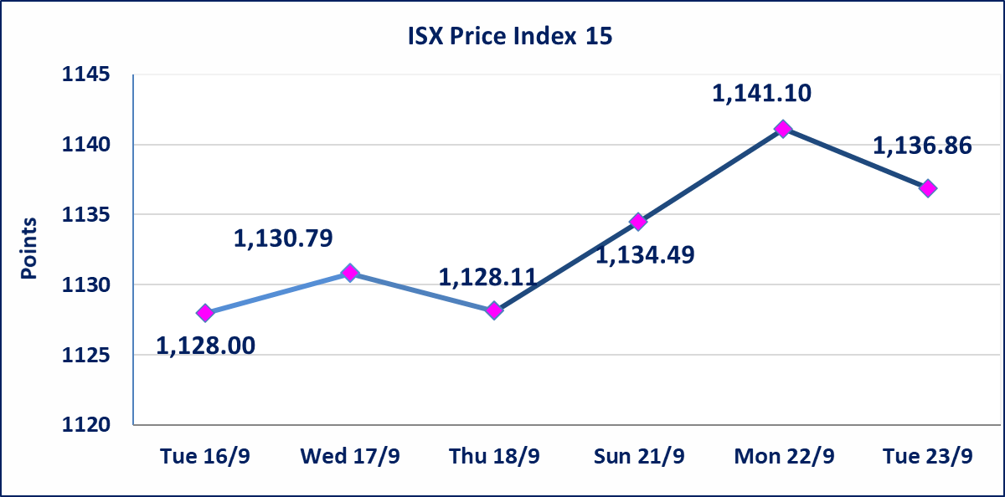

Al-Alwiya P.O . 3607 Mobile: 07711211522 - 07270094594 - 07834000034 E-mail: info-isx@isx-iq.net Web site:www.isx-iq.net

Top 5
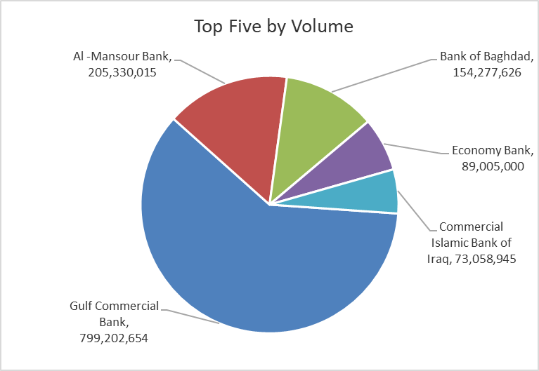
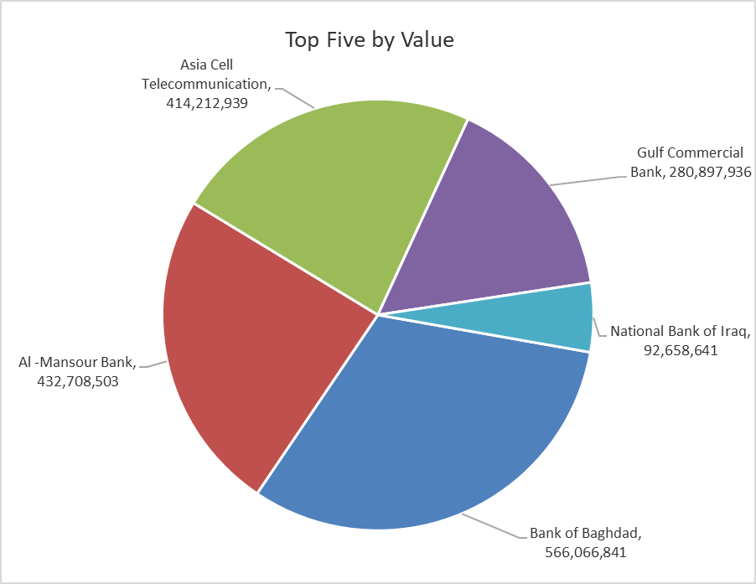
ISX top ganing and losing companies
Tuesday 23/9/2025
Gainers |  |  |  | Losers
Company Name | Closing Price | Change (%) | Traded Volume | Company Name | Closing Price | Change (%) | Traded Volume
Al-Ataa Islamic Bank | 0.090 | 12.50 | 1,123,315 | Gulf Commercial Bank | 0.340 | -2.86 | 799,202,654
Al-Kindi of Veterinary Vaccines | 2.810 | 10.20 | 5,977,150 | Al-Ameen for Insurance | 1.100 | -1.79 | 2,847,614
Palestine Hotel | 23.000 | 4.55 | 58,385 | Iraqi For Tufted Carpets | 17.700 | -1.67 | 100,000
Economy Bank | 0.240 | 4.35 | 89,005,000 | Baghdad -Iraq Transportation | 33.000 | -1.49 | 230,074
Fallujah for construction Materials | 3.160 | 3.27 | 20,458,220 | Kharkh Tour Amuzement City | 4.220 | -1.17 | 800,000

The most active companies in term of traded volume and value

Traded Volume |  |  |  | Traded Value
Company Name | Closing Price | Change (%) | Traded Volume | Company Name | Closing Price | Change (%) | Traded Value
Gulf Commercial Bank | 0.340 | -2.86 | 799,202,654 | Bank of Baghdad | 3.670 | -0.54 | 566,066,841
Al -Mansour Bank | 2.100 | 0.00 | 205,330,015 | Al -Mansour Bank | 2.100 | 0.00 | 432,708,503
Bank of Baghdad | 3.670 | -0.54 | 154,277,626 | Asia Cell Telecommunication | 12.210 | -0.73 | 414,212,939
Economy Bank | 0.240 | 4.35 | 89,005,000 | Gulf Commercial Bank | 0.340 | -2.86 | 280,897,936
Commercial Islamic Bank of Iraq | 0.790 | 1.28 | 73,058,945 | National Bank of Iraq | 4.100 | 0.00 | 92,658,641

Non Iraqis

Iraq Stock Exchange
Non Iraqis' Bulletin Tuesday Sept 23 2025
Regular Market

Non Iraqi Trading of Regular Market (Buy)
Company Names | Code | No.of trades | Traded Shares | Trading Volume
Banks Sector
Bank Of Baghdad | BBOB | 1 | 136,300 | 502,947
National Bank Of Iraq | BNOI | 1 | 60,171 | 248,506
Al-Mansour Bank | BMNS | 10 | 30,400,000 | 63,966,000
Total Bank sector |  | 12 | 30,596,471 | 64,717,453
Grand Total |  | 12 | 30596471 | 64717453

Non Iraqi Trading of Regular Market (Sell)
Company Names | Code | No.of trades | Traded Shares | Trading Volume
Services Sector
Iraq Baghdad For General Transportation | SBPT | 7 | 197,692 | 6,523,836
Total Services sector |  | 7 | 197,692 | 6,523,836
Grand Total |  | 7 | 197692 | 6523836

Non Iraqi Trading of Second Market (Sell)
Company Names | Code | No.of trades | Traded Shares | Trading Volume
Industry sector
Fallujah for Construction Materials | IFCM | 17 | 5,000,000 | 15,750,000
Total Industry sector |  | 17 | 5,000,000 | 15,750,000
Grand Total |  | 17 | 5000000 | 15750000

